Sheet1
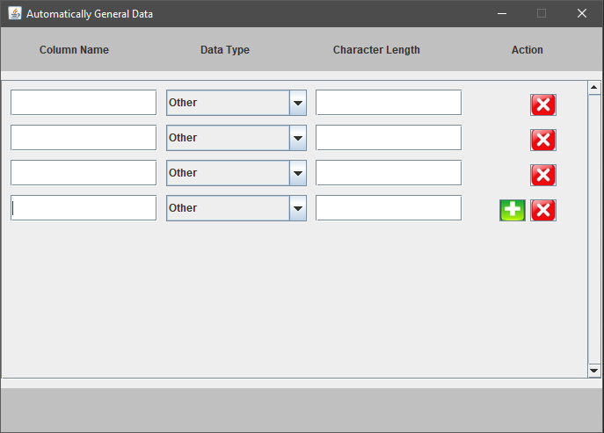
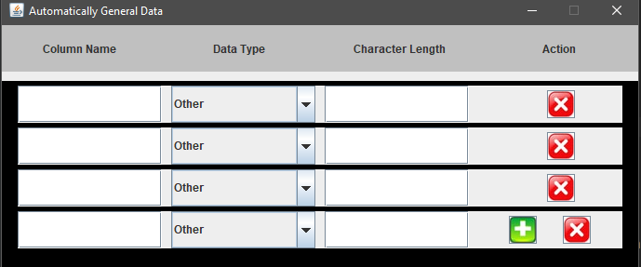

Height = 30, width = xxx
Height = 22, width = 30
Need to adjust the red button aligned with each other

